Sheet1
 | Document No. |  | Issue No. |  | Issue Date |  | Review and Replace Date |  |  | Authorised By
 | GFF566MC |  | 1 |  | 17.06.2026 |  | New doc
 | Document Title |  | PANANG WITH FRAGRANT RICE 545G- Large
 |  |  |  |  |  |  |  |  |  | Magda Shah
Document amendments reason for change | New doc |  | Page 1 of 1 |  |  | Previous Issue Date |  | New Doc |  | Uncontrolled copy unless signed original

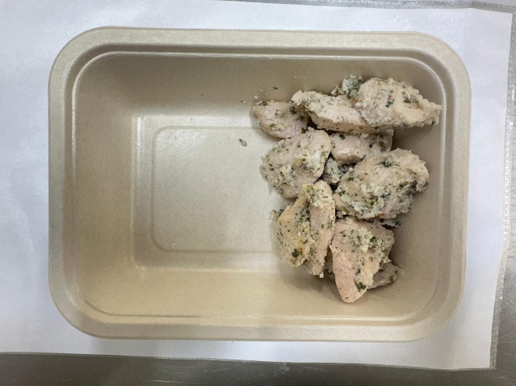
CCPANR2-R16TSE |  | SIMMER | PANANG WITH FRAGRANT RICE 545G - Large
STEP 1 |  |  |  | STEP 2
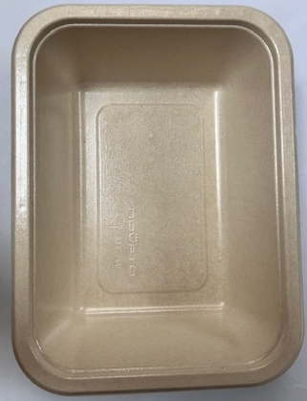
Tray: B187/60 Cuisine Kraft Tray- (PKNOV001-01) |  |  |  |  |  | Coriander Marinated Chicken - (Simmer)- GFF560R: 130g
Film: K-Peel EIPS N 45 (250mmX1000)-PKKMP001-09
STEP 3 |  |  | STEP 4 |  |  |  |  |  | STEP 5
New Recipe
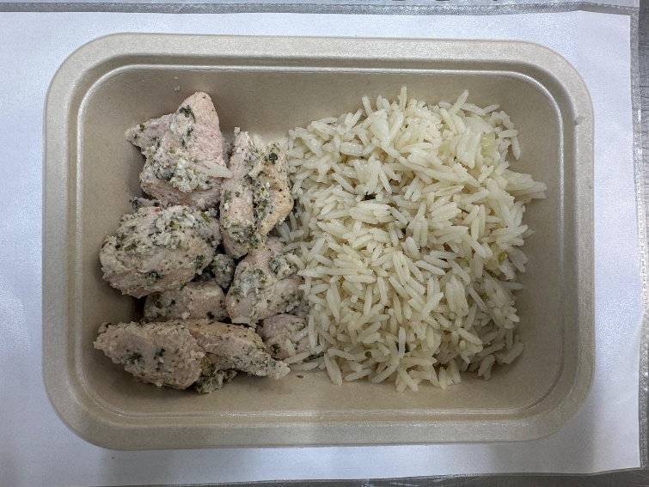 |  |  | 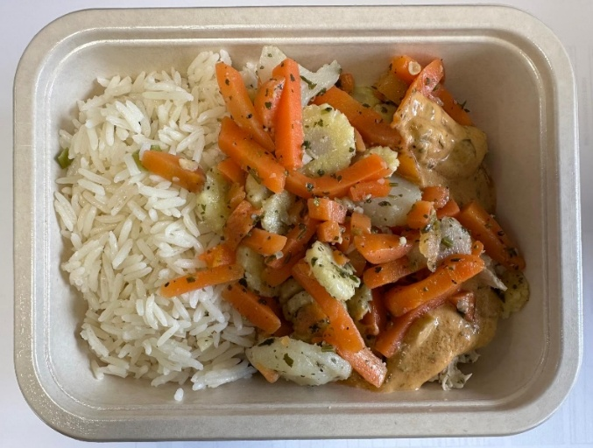 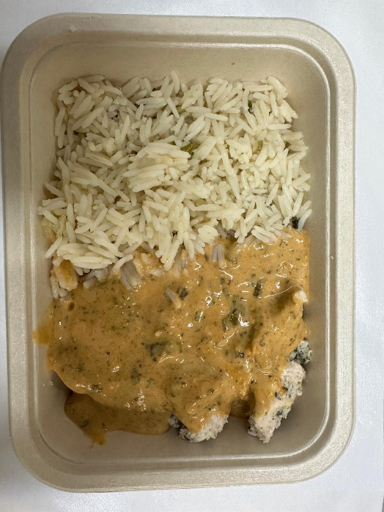
New Recipe
Fragrant Rice -(Simmer) -GFF565R: 250g |  |  | Panang Sauce ( Simmer) GFF562R : 70g |  |  |  |  |  | Steamed Mixed Veg-(Simmer)- GFF563R: 95g
Total Weight 545g - Large Product
ALLERGY ALERT: Barley,Crustacean, Wheat, Soya, Fish, Sesame

